Sheet1
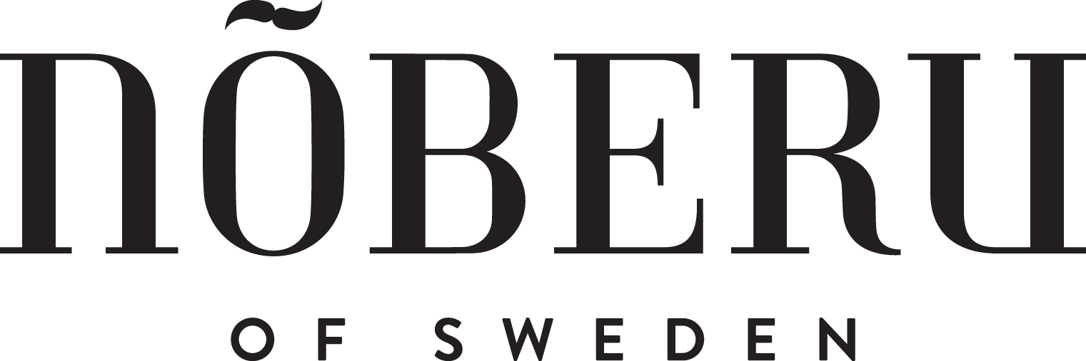

Art.-Nr.: | Artikelbezeichnung | EAN | EK netto | UVP brutto | VPE
NOB-130186 | NOBERU SHAVING CREAM - NO. 101 SANDALWOOD 75ML (2.54 fl oz) | 7350092201476 | 10.00 € | 20.00 € | 1
NOB-3433-BS | NOBERU MOUSTACHE WAX - LIGHT HOLD - SANDALWOOD 30ML | 7350092208208 | 10.00 € | 20.00 € | 1
NOB-4040-BS | NOBERU MOUSTACHE WAX - STRONG HOLD - SANDALWOOD 30ML | 7350092208239 | 10.00 € | 20.00 € | 1
NOB-41461 | NOBERU SALZWASSERSPRAY - NO.103 AMALFI 200ML (6.76 fl oz) | 7350092208031 | 10.00 € | 20.00 € | 6
NOB-41551 | NOBERU CREAM POMADE - NO. 103 AMALFI 80ML | 7350092208086 | 10.00 € | 20.00 € | 12
NOB-41556 | NOBERU SHINE POMADE - NO. 104 TOBACCO VANILLA 80ML | 7350092208062 | 10.00 € | 20.00 € | 12
NOB-41638 | NOBERU MATTE POMADE - NO. 104 TOBACCO VANILLA 80ML | 7350092208079 | 10.00 € | 20.00 € | 12
NOB-41639 | NOBERU STRONG HOLD WAX - NO. 103 AMALFI 80ML | 7350092208048 | 10.00 € | 20.00 € | 12
NOB-42714 | NOBERU HAIR SPRAY STRONG HOLD - NO. 101 SANDALWOOD 250ML (8.45fl oz) | 7350092201162 | 12.50 € | 25.00 € | 12
NOB-457003 | NOBERU BARTSHAMPOO - NO. 101 SANDALWOOD 130ML (4.4fl oz) | 7350092208116 | 10.00 € | 20.00 € | 6
NOB-457005 | NOBERU BARTSPÜLUNG - NO. 101 SANDALWOOD 130ML (4.4fl oz) | 7350092208147 | 10.00 € | 20.00 € | 6
NOB-457007 | NOBERU BARTÖL FEATHER - NO. 101 SANDALWOOD 30ML (1fl oz) | 7350092207997 | 10.00 € | 20.00 € | 6
NOB-457008 | NOBERU BARTÖL HEAVY - NO. 105 BLACK OAK 30ML (1fl oz) | 7350092208024 | 10.00 € | 20.00 € | 6
NOB-457017 | NOBERU HAARSPÜLUNG - NO. 101 SANDALWOOD 250ML (8.46fl oz.) | 7350092208314 | 15.00 € | 30.00 € | 6
NOB-457019 | NOBERU SHAMPOO - NO. 101 SANDALWOOD 250ML | 7350092208284 | 12.50 € | 25.00 € | 6
NOB-457025 | NOBERU BARTBALSAM - SANDALWOOD 50ML (1.7fl oz) | 7350092208178 | 12.50 € | 25.00 € | 6
NOB-457029 | NOBERU CLASSIC PASTE - NO. 102 AMBER-LIME 80ML | 7350092208093 | 10.00 € | 20.00 € | 12
NOB-457035 | NOBERU FUSION CLAY GEL - NO. 102 AMBER-LIME 80ML | 7350092208109 | 10.00 € | 20.00 € | 12
NOB-457057 | NOBERU BOOST SPRAY - NO. 103 AMALFI BLONDE 200ML (6.76fl oz) | 7350092208444 | 12.50 € | 25.00 € | 6
NOB-457073-BS | NOBERU GROOMING TONIC - SANDALWOOD 250ML (8.46 fl oz) | 7350092208246 | 12.50 € | 25.00 € | 6
NOB-457075-BS | NOBERU BART TONIC - SANDALWOOD 100ML | 7350092208253 | 10.00 € | 20.00 € | 6
NOB-457081 | NOBERU BARTÖL HEAVY - NO. 104 TOBACCO VANILLA 30ML (1fl oz) | 7350092208017 | 10.00 € | 20.00 € | 6
NOB-457082 | NOBERU BARTÖL FEATHER - NO. 102 AMBER-LIME 30ML (1fl oz) | 7350092208000 | 10.00 € | 20.00 € | 6
NOB-457083 | NOBERU BARTSHAMPOO - NO. 104 TOBACCO VANILLA 130ML (4.4fl oz) | 7350092208130 | 10.00 € | 20.00 € | 6
NOB-457084 | NOBERU BARTSPÜLUNG - NO. 104 TOBACCO VANILLA 130ML (4.4fl oz) | 7350092208161 | 10.00 € | 20.00 € | 6
NOB-457089 | NOBERU BARTBALSAM - NO. 104 TOBACCO VANILLA 50ML (1.7fl oz) | 7350092208192 | 12.50 € | 25.00 € | 6
NOB-457093 | NOBERU BEARD WAX - NO. 101 SANDALWOOD 50ML (1.7fl oz) | 7350092201322 | 10.00 € | 20.00 € | 6
NOB-457094 | NOBERU BEARD WAX - NO. 104 TOBACCO VANILLA 50ML (1.7fl oz) | 7350092201421 | 10.00 € | 20.00 € | 6
NOB-457096 | NOBERU AFTER SHAVE BALM - NO. 104 TOBACCO VANILLA 50ML (1.7fl oz) | 7350092208475 | 15.00 € | 30.00 € | 6
NOB-457097 | NOBERU SHOWER CREAM - No. 104 TOBACCO VANILLA 250ML (8.46fl oz) | 7350092208505 | 10.00 € | 20.00 € | 6
NOB-61515-BS | NOBERU AFTER-SHAVE BALSAM - SANDALWOOD 125ML | 7350092200295 | 15.00 € | 30.00 € | 6
NOB-L-1655d | NOBERU MATTE CREAM PASTE - NO 101 SANDALWOOD 100ML (3,5fl. oz.) | 7350092201605 | 13.00 € | 26.00 € | 6
NOB-PW-TV20 | NOBERU POWDER WAX - NO. 104 TOBACCO VANILLA 20G (0,68 oz.) | 7350092200028 | 11.00 € | 22.00 € | 6

